Info
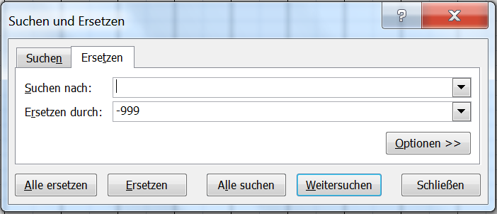
Please be aware that..
To Digitize: | Pages 3&4, 34&35 and all subsequent pilot balloon measurements (usually two pages for each month)
Example: | The data for January have already been enterred to serve as example
Location: | To our knowledge, the station is always Lourenco Marques, which is now Maputo. But please check that this is correct while you are digitizing.
Time: | To be enterred in 24h-format (f.e. : 16.55).
Zeiten ohne Daten: | If a line contains no data, it can be ignored. Example: Ascent nr. XX at 12.05 "failure" has not to be transcribed!
Wind: | Direction (Dir) and velocity (Vel) shall be transcribed. Is a range of velocity given,then this one shall be transcribed likewise.
Vague data: | Indiscret information (for example: Velocity: "decreases with heigth" or "very fluctuant") shall be ignored and a black coloured "-999" shall be enterred.
Special characters: | Replace commas "," with points ".". "C" stands for "calm" and will be transcibed with "0.0". Values written in round or square brackets or supplied with an asterix "*" or question mark "?"
 | are enterred red coloured. The corresponding value has to be marked in the last column "Flags" as follows:
 | Value-name of column-special character-additional information. Example: 22.2-Temp.-[]-value forged by radiation
Unclear Data: | Is a value difficult to decode, then make a guess and enter it red coloured. This value has to be marked in the last column ("Flags") as follows:
 | Value (name of column). Example: 13 (Time)
 | Is a value simply not identifiable, then enter a red coloured "-999" in the table! Again, you should mark this in the last column likewise . Example: -999 (1000m)
Flags: | If there is more than one remark in the column "Flags", then separate them with a semicolon ";".
Empty table elements: | Empty elements or elements that contain "-" shall be transcribed by entering a black coloured "-999" to the excel-table.
 | These elements can be filled with the function find-and replace (Ctrl + F), if the respective table elements are selected.

Save as: | Name_of_publication.xls
Send to: | Send the file with the whole data to: alexander.stickler@giub.unibe.ch

